Deal Structure
Inputs |  | Formula |  |  |  |  | Month 0 | Month 1 | Month 2 | Month 3 | Month 4
Quantity | 1 |  |  |  |  |  | 2025-09-01 | 2025-09-30 | 2025-10-31 | 2025-11-30 | 2025-12-31
Hashrate (Th) | 500 |  |  |  |  | days in period |  | 31 | 31 | 30 | 31
Mining Vs. Buying Bitcoin
 | Mining Profit | Buying Bitcoin Profit
 | -$8,356.42 | $0.00
9/1/2025 | -$7,940.65 | $320.76
9/30/2025 | -$7,506.67 | $630.91
10/31/2025 | -$7,069.98 | $930.08
11/30/2025 | -$6,605.60 | $1,217.99
12/31/2025 | -$6,128.45 | $1,494.46
1/31/2026 | -$5,681.63 | $1,759.44
2/28/2026 | -$5,184.80 | $2,012.91
3/31/2026 | -$3,043.69 | $2,254.97
4/30/2026 | -$2,532.14 | $2,485.75
5/31/2026 | -$2,028.91 | $2,705.45
6/30/2026 | -$1,507.50 | $2,914.30
7/31/2026 | -$982.61 | $3,112.59
8/31/2026 | -$469.17 | $3,300.61
9/30/2026 | $59.74 | $3,478.70
10/31/2026 | $575.61 | $3,647.19
11/30/2026 | $1,105.56 | $3,806.46
12/31/2026 | $1,635.19 | $3,956.86
1/31/2027 | $2,122.12 | $4,098.77
2/28/2027 | $2,649.17 | $4,232.55
3/31/2027 | $3,160.63 | $4,358.59
4/30/2027 | $3,683.88 | $4,477.24
5/31/2027 | $4,190.95 | $4,588.87
6/30/2027 | $4,709.26 | $4,693.83
7/31/2027 | $5,224.85 | $4,792.45
8/31/2027 | $5,723.71 | $4,885.08
9/30/2027 | $6,233.29 | $4,972.04
10/31/2027 | $6,725.97 | $5,053.63
11/30/2027 | $7,229.17 | $5,130.15
12/31/2027 | $7,729.15 | $5,201.90
1/31/2028 | $8,198.44 | $5,269.14
2/29/2028 | $8,691.78 | $5,332.13
3/31/2028 | $8,764.04 | $5,391.13
4/30/2028 | $8,831.94 | $5,446.36
5/31/2028 | $8,895.37 | $5,498.07
6/30/2028 | $8,954.92 | $5,546.45
7/31/2028 | $11,717.07 | $5,591.71
8/31/2028
Price ($/Th) | $15.00 |  |  |  |  | BTC Stats
Efficiency (Watts/Th) | 14.9 |  |  |  |  | Block Reward | 3.125 | 3.125 | 3.125 | 3.125 | 3.125
Set up Costs Per Miner | $25 |  |  |  |  | Price | $111,836.40 | $116,129.20 | $120,280.10 | $124,283.93 | $128,137.05
Hosting Rate ($/kWh) | $0.075 |  |  |  |  | Difficulty | 129,700,000,000,000 | 1.3405151803E+14 | 138283027737713 | 142390170829625 | 1.4636960591E+14
Miner Daily Usage (kWh) | 7.4500 | =B3*B5/1000
Cost of Miner(s) | $7,500.00 | =B4*B3*B2 |  |  |  | Set-up Costs
2mo Security Deposit | $831.42 | =B8*24*31*B7*B2*2 |  |  |  | Rig expense | $7,500.00
Total Capital upfront | $8,356.42 | =(B9*B2)+B10+(B6*B2) |  |  |  | Set-up Costs | $25.00
Bitcoin Start Price | $111,836 | Source number from Online |  |  |  | 2-Month Deposit | $831.42
Difficulty Start Value (T) | 129.70 | Source number from Online
Hash Price ($/Th) | $0.0542 | =(B12*B20*144)/((B13*2^32/600))
Uptime | 99% | Don't have to show on Dash |  |  |  | Total Capex | $8,356.42
Pool Fee | 1% | Don't have to show on Dash
Start Month | 2025-09-01 |  |  |  |  | Mining
Tax Return Date | 2025-04-15 |  |  |  |  | Max TH/s |  | 500 | 500 | 500 | 500
Next Halving Date | 2028-04-01 | Source number from Online |  |  |  | Uptime |  | 99% | 99% | 99% | 99%
Block Reward (Including Fees) | 3.125 | Source number from Online | Outputs |  | Formula | Total TH/s |  | 495 | 495 | 495 | 495
Post Halving Reward | 1.5625 | Source number from Online | Revenue (Monthly ) | ₿ 0.00687 | =$F$26/B12 | Total TH/month |  | 1325808000 | 1325808000 | 1283040000 | 1325808000
 |  |  | Total 3 yr. Revenue | ₿ 0.24727 | =$F$27/B12
Variables |  |  | Est. Host Cost (Monthly) | ₿ 0.00362 | =$F$28/B12 | Expected Mining Reward |  | ₿ 0.007196 | ₿ 0.006976 | ₿ 0.006556 | ₿ 0.006591
Bitcoin Growth Rate /Mo. | 3.9% |  | Monthly Profit (Mining) | ₿ 0.00325 | =$F$29/B12 | Pool Fee |  | -₿ 0.000072 | -₿ 0.000070 | -₿ 0.000066 | -₿ 0.000066
BTC- Growth Rate Decay | 7% |  | 3 Year Profit (Mining) | ₿ 0.08420 | =SUM(N33:AW33)
Difficulty Growth Rate /Mo. | 3.4% |  | Revenue (Monthly) | $768.15 | =AVERAGE((N27:AW27)) | Net BTC Mined |  | ₿ 0.007124 | 0.00691 | 0.00649 | 0.00652
...
Inputs |  | Formula |  |  |  |  | Month 0 | Month 1 | Month 2 | Month 3 | Month 4
 |  |  | IRR | 52.21% | =F29/(B11)*12 | Depreciation |  | $- | $- | $- | $-
 |  |  | Operational Yield | 89.88% | =F29/F28 | Machines Remaining | 1 | 1 | 1 | 1 | 1
 |  |  | Est.ROI (Months) | 10.93 | =(B9-F31-F32)/F29 | Security Deposits Returned | 0 | 0 | 0 | 0 | 0
 |  |  | Ending BTC Price | $186,671.89 | =AW6 | Rigs sold |  | 0 | 0 | 0 | 0
 |  |  | Breakeven BTC Price | $58,898.68 | =F28/F21 | Rigs Depreciated |  | 0 | 0 | 0 | 0
 |  |  | Buy @Start Amount | ₿ 0.074720 |  | Net Profit |  | $415.77 | $419.12 | $408.40 | $424.49
 |  |  | Buying Bitcoin Return | $13,948.13 | =(M15/B12)*F39 | Cumulative Bitcoin |  | ₿ 0.003580 | ₿ 0.007065 | ₿ 0.010351 | ₿ 0.013664
 |  |  | Mining- Buying | $6,125.36 | =F33-F42 | Mining Profit | -$8,356.42 | -$7,940.65 | -$7,506.67 | -$7,069.98 | -$6,605.60
 |  |  |  |  |  | Buying Bitcoin Profit | $0.00 | $320.76 | $630.91 | $930.08 | $1,217.99
 |  |  |  |  |  |  | 2025-09-01 | 2025-09-30 | 2025-10-31 | 2025-11-30 | 2025-12-31
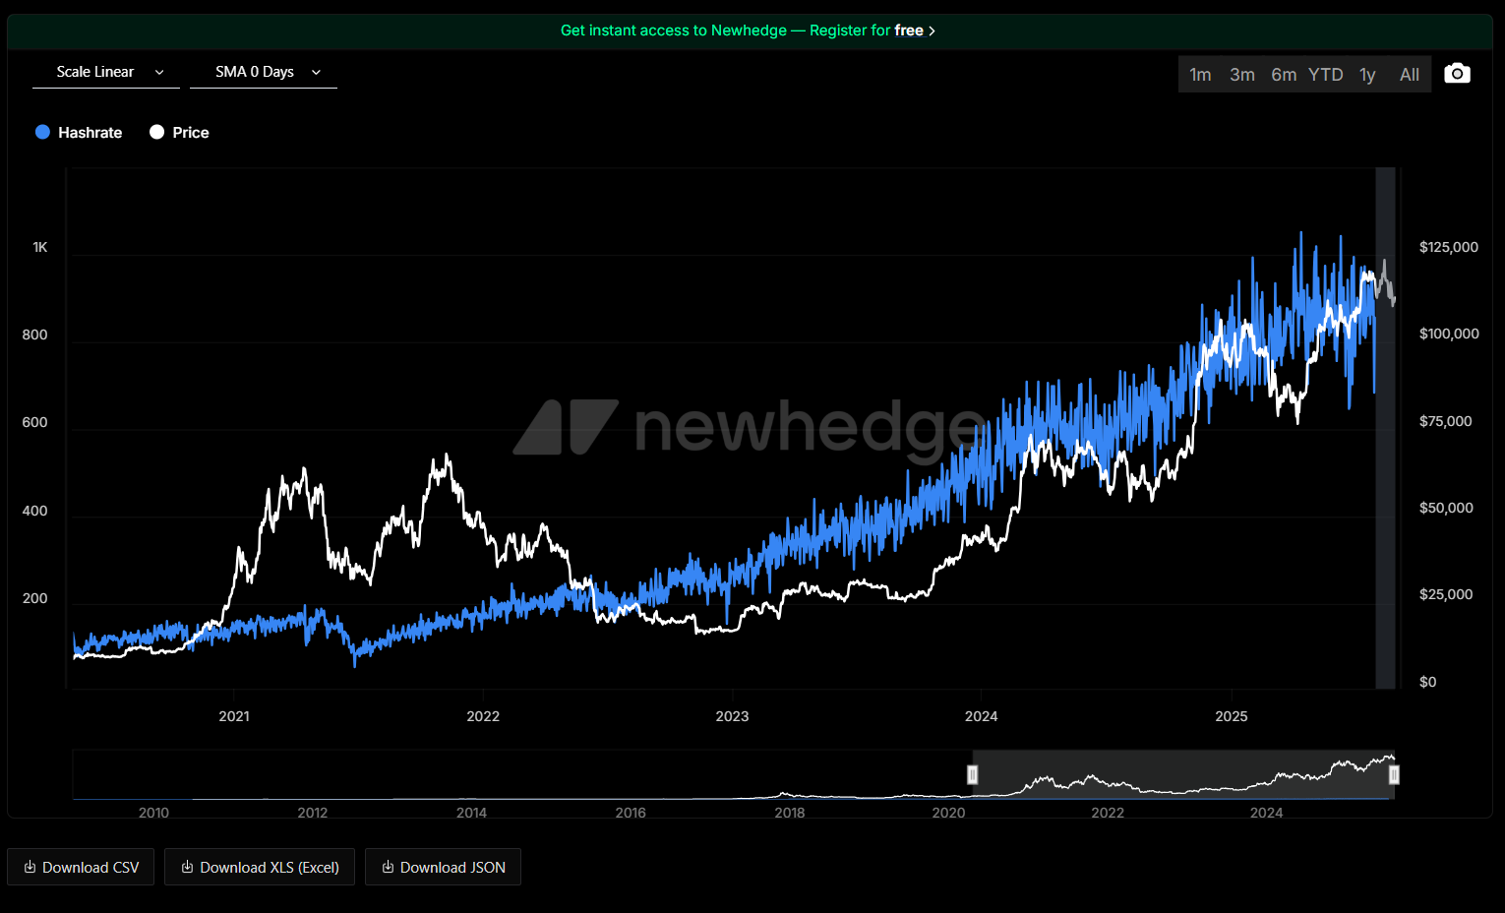
Main things to do to represent Mining results better: 1. Inlcude the volatility of bitcoin price and difficulty to see how that may impact mining vs holding profits. Make difficulty grow more linearly on macro level compared to bitcoin, when bitcoin price has merchant behaviors that lead to fear and greed influencing the price more, but still less so with institutional adoption.
2. Adjust difficulty and price growth formulas so that the difficulty trend line does not react to when bitcoin pumps or dumps so but has a delayed correlation to bitcoin price that it tracks.
Check curren hashprice here
...

Deal Structure 1
Inputs |  | Formula |  |  |  |  | Month 0 | Month 1 | Month 2 | Month 3 | Month 4
Quantity | 10 |  |  |  |  |  | 2025-09-01 | 2025-09-30 | 2025-10-31 | 2025-11-30 | 2025-12-31
Hashrate (Th) | 190 |  |  |  |  | days in period |  | 31 | 31 | 30 | 31
Mining Vs. Buying Bitcoin
 | Mining Profit | Buying Bitcoin Profit
 | -$8,356.42 | $0.00
9/1/2025 | -$7,940.65 | $320.76
9/30/2025 | -$7,506.67 | $630.91
10/31/2025 | -$7,069.98 | $930.08
11/30/2025 | -$6,605.60 | $1,217.99
12/31/2025 | -$6,128.45 | $1,494.46
1/31/2026 | -$5,681.63 | $1,759.44
2/28/2026 | -$5,184.80 | $2,012.91
3/31/2026 | -$3,043.69 | $2,254.97
4/30/2026 | -$2,532.14 | $2,485.75
5/31/2026 | -$2,028.91 | $2,705.45
6/30/2026 | -$1,507.50 | $2,914.30
7/31/2026 | -$982.61 | $3,112.59
8/31/2026 | -$469.17 | $3,300.61
9/30/2026 | $59.74 | $3,478.70
10/31/2026 | $575.61 | $3,647.19
11/30/2026 | $1,105.56 | $3,806.46
12/31/2026 | $1,635.19 | $3,956.86
1/31/2027 | $2,122.12 | $4,098.77
2/28/2027 | $2,649.17 | $4,232.55
3/31/2027 | $3,160.63 | $4,358.59
4/30/2027 | $3,683.88 | $4,477.24
5/31/2027 | $4,190.95 | $4,588.87
6/30/2027 | $4,709.26 | $4,693.83
7/31/2027 | $5,224.85 | $4,792.45
8/31/2027 | $5,723.71 | $4,885.08
9/30/2027 | $6,233.29 | $4,972.04
10/31/2027 | $6,725.97 | $5,053.63
11/30/2027 | $7,229.17 | $5,130.15
12/31/2027 | $7,729.15 | $5,201.90
1/31/2028 | $8,198.44 | $5,269.14
2/29/2028 | $8,691.78 | $5,332.13
3/31/2028 | $8,764.04 | $5,391.13
4/30/2028 | $8,831.94 | $5,446.36
5/31/2028 | $8,895.37 | $5,498.07
6/30/2028 | $8,954.92 | $5,546.45
7/31/2028 | $11,717.07 | $5,591.71
8/31/2028
Price ($/Th) | $10.00 |  |  |  |  | BTC Stats
Efficiency (Watts/Th) | 19.0 |  |  |  |  | Block Fees
Set up Costs Per Miner | $250 |  |  |  |  | Block Reward | 3.150 | 3.150 | 3.150 | 3.150 | 3.150
Hosting Rate ($/kWh) | $0.075 |  |  |  |  | Price | $111,836.40 | $116,129.20 | $120,280.10 | $124,283.93 | $128,137.05
Miner (kWh) | 3.6100 | =B3*B5/1000 |  |  |  | Difficulty | 129,700,000,000,000 | 1.3405151803E+14 | 138283027737713 | 142390170829625 | 1.4636960591E+14
Cost of Miners | $19,000.00 | =B4*B3*B2
2mo Security Deposit | $4,028.76 | =B8*24*31*B7*B2*2 |  |  |  | Set-up Costs
Total Capital upfront | $196,528.76 | =(B9*B2)+B10+(B6*B2) |  |  |  | Rig expense | $19,000.00
Bitcoin Start Price | $111,836 | Source number from Online |  |  |  | Set-up Costs | $2,500.00
Difficulty Start Value (T) | 129.70 | Source number from Online |  |  |  | 2-Month Deposit | $4,028.76
Hash Price ($/Th) | $0.0546 | =(B12*B20*144)/((B13*2^32/600))
Uptime | 99% | Don't have to show on Dash
Pool Fee | 1% | Don't have to show on Dash |  |  |  | Total Capex | $25,528.76
Start Month | 2025-09-01
Tax Return Date | 2025-04-15 |  |  |  |  | Mining
Next Halving Date | 2028-04-01 | Source number from Online |  |  |  | Max TH/s |  | 1900 | 1900 | 1900 | 1900
Block Reward (Including Fees) | 3.150 | Source number from Online | Outputs |  | Formula | Uptime |  | 99% | 99% | 99% | 99%
Post Halving Reward | 1.575 | Source number from Online | Revenue (Monthly ) | ₿ 0.02631 | =$F$26/B12 | Total TH/s |  | 1881 | 1881 | 1881 | 1881
 |  |  | Total 3 yr. Revenue | ₿ 0.94713 | =$F$27/B12 | Total TH/month |  | 5038070400 | 5038070400 | 4875552000 | 5038070400
Variables |  |  | Est. Host Cost (Monthly) | ₿ 0.01753 | =$F$28/B12
Bitcoin Growth Rate /Mo. | 3.9% |  | Monthly Profit (Mining) | ₿ 0.00878 | =$F$29/B12 | Expected Mining Reward |  | ₿ 0.027564 | ₿ 0.026721 | ₿ 0.025113 | ₿ 0.025244
Growth Rate Decay | 7.0% |  | 3 Year Profit (Mining) | ₿ 0.22946 | =SUM(N34:AW34) | Pool Fee |  | -₿ 0.000276 | -₿ 0.000267 | -₿ 0.000251 | -₿ 0.000252
Difficulty Growth Rate /Mo. | 3.4% |  | Revenue (Monthly) | $2,942.32 | =AVERAGE((N28:AW28))
...

